Foaie1
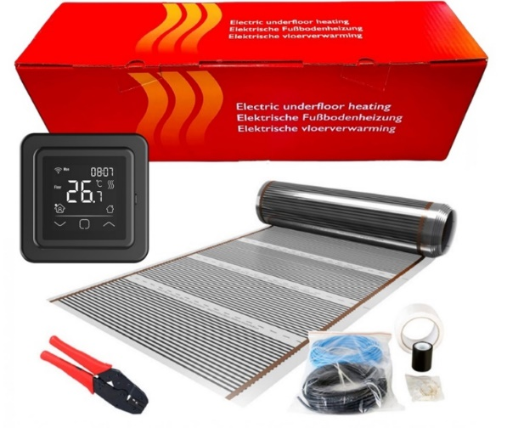
Cod | Ean | Denumire | Pret fara tva | Pret eMAG fara tva
HD.310.G001 |  | Kit 1m² incalzire in pardoseala sub parchet, 140W, 1m latime, cu termostat C16 WIFI | € 110.00 | 495.00 lei
HD.310.G002 |  | Kit 2m² incalzire in pardoseala sub parchet, 280W, 1m latime, cu termostat C16 WIFI | € 125.00 | 562.50 lei
HD.310.G003 |  | Kit 3m² incalzire in pardoseala sub parchet, 420W, 1m latime, cu termostat C16 WIFI | € 140.00 | 630.00 lei
HD.310.G004 |  | Kit 4m² incalzire in pardoseala sub parchet, 560W, 1m latime, cu termostat C16 WIFI | € 155.00 | 697.50 lei
HD.310.G005 |  | Kit 5m² incalzire in pardoseala sub parchet, 700W, 1m latime, cu termostat C16 WIFI | € 170.00 | 765.00 lei
HD.310.G006 |  | Kit 6m² incalzire in pardoseala sub parchet, 840W, 1m latime, cu termostat C16 WIFI | € 185.00 | 832.50 lei
HD.310.G007 |  | Kit 7m² incalzire in pardoseala sub parchet, 980W, 1m latime, cu termostat C16 WIFI | € 200.00 | 900.00 lei
HD.310.G008 |  | Kit 8m² incalzire in pardoseala sub parchet, 1120W, 1m latime, cu termostat C16 WIFI | € 215.00 | 967.50 lei
HD.310.G009 |  | Kit 9m² incalzire in pardoseala sub parchet, 1260W, 1m latime, cu termostat C16 WIFI | € 230.00 | 1,035.00 lei
HD.310.G010 |  | Kit 10m² incalzire in pardoseala sub parchet, 1400W, 1m latime, cu termostat C16 WIFI | € 245.00 | 1,102.50 lei
HD.310.G012 |  | Kit 12m² incalzire in pardoseala sub parchet, 1680W, 1m latime, cu termostat C16 WIFI | € 275.00 | 1,237.50 lei
HD.310.G015 |  | Kit 15m² incalzire in pardoseala sub parchet, 2100W, 1m latime, cu termostat C16 WIFI | € 320.00 | 1,440.00 lei
HD.310.G020 |  | Kit 20m² incalzire in pardoseala sub parchet, 2800W, 1m latime, cu termostat C16 WIFI | € 395.00 | 1,777.50 lei

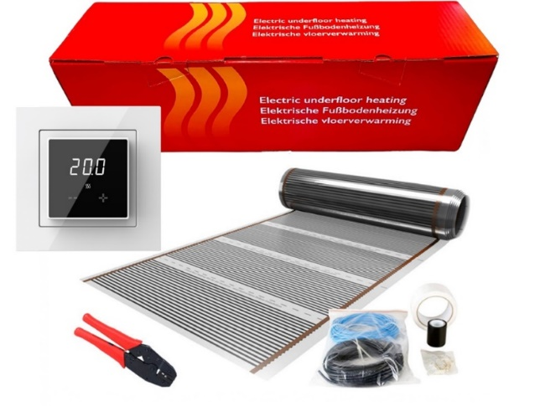
HD.310.G101 |  | Kit 1m² incalzire in pardoseala sub parchet, 140W, 1m latime, cu termostat ET44 WIFI | € 73.00 | 328.50 lei
HD.310.G102 |  | Kit 2m² incalzire in pardoseala sub parchet, 280W, 1m latime, cu termostat ET44 WIFI | € 88.00 | 396.00 lei
HD.310.G103 |  | Kit 3m² incalzire in pardoseala sub parchet, 420W, 1m latime, cu termostat ET44 WIFI | € 103.00 | 463.50 lei
HD.310.G104 |  | Kit 4m² incalzire in pardoseala sub parchet, 560W, 1m latime, cu termostat ET44 WIFI | € 118.00 | 531.00 lei
HD.310.G105 |  | Kit 5m² incalzire in pardoseala sub parchet, 700W, 1m latime, cu termostat ET44 WIFI | € 133.00 | 598.50 lei
HD.310.G106 |  | Kit 6m² incalzire in pardoseala sub parchet, 840W, 1m latime, cu termostat ET44 WIFI | € 148.00 | 666.00 lei
HD.310.G107 |  | Kit 7m² incalzire in pardoseala sub parchet, 980W, 1m latime, cu termostat ET44 WIFI | € 163.00 | 733.50 lei
HD.310.G108 |  | Kit 8m² incalzire in pardoseala sub parchet, 1120W, 1m latime, cu termostat ET44 WIFI | € 178.00 | 801.00 lei
HD.310.G109 |  | Kit 9m² incalzire in pardoseala sub parchet, 1260W, 1m latime, cu termostat ET44 WIFI | € 193.00 | 868.50 lei
HD.310.G110 |  | Kit 10m² incalzire in pardoseala sub parchet, 1400W, 1m latime, cu termostat ET44 WIFI | € 208.00 | 936.00 lei
HD.310.G112 |  | Kit 12m² incalzire in pardoseala sub parchet, 1680W, 1m latime, cu termostat ET44 WIFI | € 238.00 | 1,071.00 lei
HD.310.G115 |  | Kit 15m² incalzire in pardoseala sub parchet, 2100W, 1m latime, cu termostat ET44 WIFI | € 283.00 | 1,273.50 lei
HD.310.G120 |  | Kit 20m² incalzire in pardoseala sub parchet, 2800W, 1m latime, cu termostat ET44 WIFI | € 358.00 | 1,611.00 lei

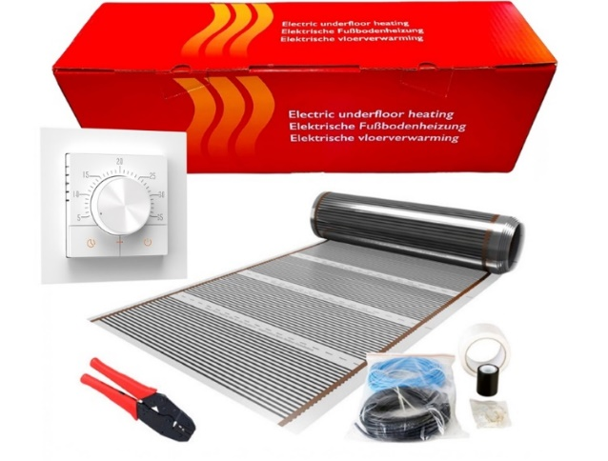
HD.310.G201 |  | Kit 1m² incalzire in pardoseala sub parchet, 140W, 1m latime, cu termostat S-Control | € 54.00 | 243.00 lei
HD.310.G202 |  | Kit 2m² incalzire in pardoseala sub parchet, 280W, 1m latime, cu termostat S-Control | € 69.00 | 310.50 lei
HD.310.G203 |  | Kit 3m² incalzire in pardoseala sub parchet, 420W, 1m latime, cu termostat S-Control | € 84.00 | 378.00 lei
HD.310.G204 |  | Kit 4m² incalzire in pardoseala sub parchet, 560W, 1m latime, cu termostat S-Control | € 99.00 | 445.50 lei
HD.310.G205 |  | Kit 5m² incalzire in pardoseala sub parchet, 700W, 1m latime, cu termostat S-Control | € 114.00 | 513.00 lei
HD.310.G206 |  | Kit 6m² incalzire in pardoseala sub parchet, 840W, 1m latime, cu termostat S-Control | € 129.00 | 580.50 lei
HD.310.G207 |  | Kit 7m² incalzire in pardoseala sub parchet, 980W, 1m latime, cu termostat S-Control | € 144.00 | 648.00 lei
HD.310.G208 |  | Kit 8m² incalzire in pardoseala sub parchet, 1120W, 1m latime, cu termostat S-Control | € 159.00 | 715.50 lei
HD.310.G209 |  | Kit 9m² incalzire in pardoseala sub parchet, 1260W, 1m latime, cu termostat S-Control | € 174.00 | 783.00 lei
HD.310.G210 |  | Kit 10m² incalzire in pardoseala sub parchet, 1400W, 1m latime, cu termostat S-Control | € 189.00 | 850.50 lei
HD.310.G212 |  | Kit 12m² incalzire in pardoseala sub parchet, 1680W, 1m latime, cu termostat S-Control | € 219.00 | 985.50 lei
HD.310.G215 |  | Kit 15m² incalzire in pardoseala sub parchet, 2100W, 1m latime, cu termostat S-Control | € 264.00 | 1,188.00 lei
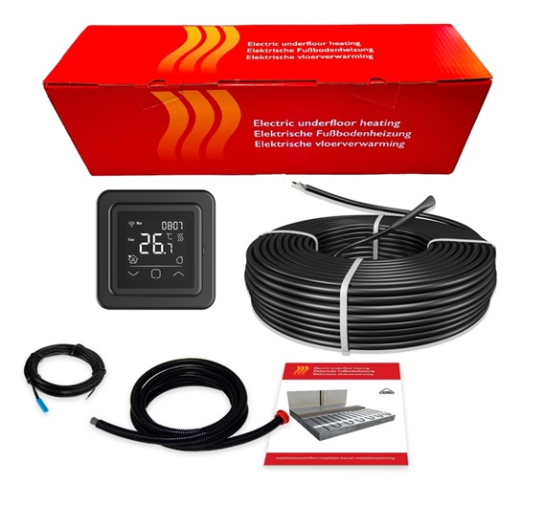
HD.310.G220 |  | Kit 20m² incalzire in pardoseala sub parchet, 2800W, 1m latime, cu termostat S-Control | € 339.00 | 1,525.50 lei

140302 |  | Kit 2m² incalzire in pardoseala in sapa 300 W - 15 m, cu termostat C16 WIFI | € 107 | 481.50 lei | € 27
140502 |  | Kit 4m² incalzire in pardoseala in sapa 500 W - 25 m, cu termostat C16 WIFI | € 120 | 540.00 lei | € 40
141002 |  | Kit 7m² incalzire in pardoseala in sapa 1000 W - 50 m, cu termostat C16 WIFI | € 161 | 724.50 lei | € 81
141202 |  | Kit 9m² incalzire in pardoseala in sapa 1200 W - 60 m, cu termostat C16 WIFI | € 179 | 805.50 lei | € 99
141602 |  | Kit 12m² incalzire in pardoseala in sapa 1600 W - 80 m, cu termostat C16 WIFI | € 218 | 981.00 lei | € 138
141802 |  | Kit 13m² incalzire in pardoseala in sapa 1800 W - 90 m, cu termostat C16 WIFI | € 235 | 1,057.50 lei | € 155
142002 |  | Kit 15m² incalzire in pardoseala in sapa 2000 W - 100 m, cu termostat C16 WIFI | € 253 | 1,138.50 lei | € 173
142402 |  | Kit 18m² incalzire in pardoseala in sapa 2400 W - 120 m, cu termostat C16 WIFI | € 291 | 1,309.50 lei | € 211
142802 |  | Kit 20m² incalzire in pardoseala in sapa 2800 W - 140 m, cu termostat C16 WIFI | € 332 | 1,494.00 lei | € 252
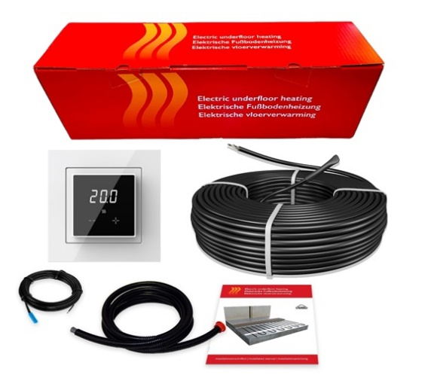
143202 |  | Kit 24m² incalzire in pardoseala in sapa 3200 W - 160 m, cu termostat C16 WIFI | € 378 | 1,701.00 lei | € 298

140303 |  | Kit 2m² incalzire in pardoseala in sapa 300 W - 15 m, cu termostat ET44 WIFI | € 70 | € 315.0
140503 |  | Kit 4m² incalzire in pardoseala in sapa 500 W - 25 m, cu termostat ET44 WIFI | € 83 | € 373.5
141003 |  | Kit 7m² incalzire in pardoseala in sapa 1000 W - 50 m, cu termostat ET44 WIFI | € 124 | € 558.0
141203 |  | Kit 9m² incalzire in pardoseala in sapa 1200 W - 60 m, cu termostat ET44 WIFI | € 142 | € 639.0
141603 |  | Kit 12m² incalzire in pardoseala in sapa 1600 W - 80 m, cu termostat ET44 WIFI | € 181 | € 814.5
141803 |  | Kit 13m² incalzire in pardoseala in sapa 1800 W - 90 m, cu termostat ET44 WIFI | € 198 | € 891.0
142003 |  | Kit 15m² incalzire in pardoseala in sapa 2000 W - 100 m, cu termostat ET44 WIFI | € 216 | € 972.0
142403 |  | Kit 18m² incalzire in pardoseala in sapa 2400 W - 120 m, cu termostat ET44 WIFI | € 254 | € 1,143.0
142803 |  | Kit 20m² incalzire in pardoseala in sapa 2800 W - 140 m, cu termostat ET44 WIFI | € 295 | € 1,327.5
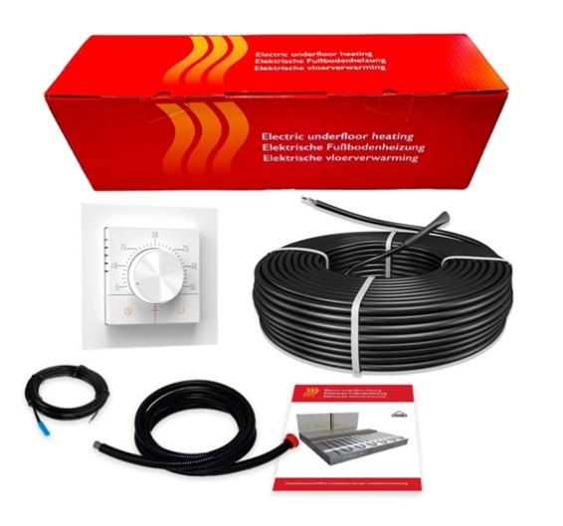
143203 |  | Kit 24m² incalzire in pardoseala in sapa 3200 W - 160 m, cu termostat ET44 WIFI | € 341 | € 1,534.5

140304 |  | Kit 2m² incalzire in pardoseala in sapa 300 W - 15 m, cu termostat S-Control | € 51 | € 229.50
140504 |  | Kit 4m² incalzire in pardoseala in sapa 500 W - 25 m, cu termostat S-Control | € 64 | € 288.00
141004 |  | Kit 7m² incalzire in pardoseala in sapa 1000 W - 50 m, cu termostat S-Control | € 105 | € 472.50
141204 |  | Kit 9m² incalzire in pardoseala in sapa 1200 W - 60 m, cu termostat S-Control | € 123 | € 553.50
141604 |  | Kit 12m² incalzire in pardoseala in sapa 1600 W - 80 m, cu termostat S-Control | € 162 | € 729.00
141804 |  | Kit 13m² incalzire in pardoseala in sapa 1800 W - 90 m, cu termostat S-Control | € 179 | € 805.50
142004 |  | Kit 15m² incalzire in pardoseala in sapa 2000 W - 100 m, cu termostat S-Control | € 197 | € 886.50
142404 |  | Kit 18m² incalzire in pardoseala in sapa 2400 W - 120 m, cu termostat S-Control | € 235 | € 1,057.50
142804 |  | Kit 20m² incalzire in pardoseala in sapa 2800 W - 140 m, cu termostat S-Control | € 276 | € 1,242.00
143204 |  | Kit 24m² incalzire in pardoseala in sapa 3200 W - 160 m, cu termostat S-Control | € 322 | € 1,449.00

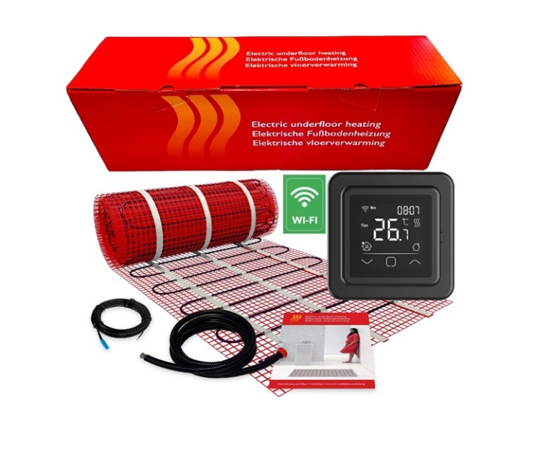
250203 |  | Kit incalzire in pardoseala sub gresie 1 m² - 150 W, cu termostat C16 WIFI | € 110 | 494.10 lei | € 30 | € 31
250303 |  | Kit incalzire in pardoseala sub gresie 1.5 m² -225 W, cu termostat C16 WIFI | € 118 | 528.75 lei | € 38 | € 39
250403 |  | Kit incalzire in pardoseala sub gresie 2 m² - 300 W, cu termostat C16 WIFI | € 125 | 563.40 lei | € 45 | € 46
250503 |  | Kit incalzire in pardoseala sub gresie 2.5 m² - 375 W, cu termostat C16 WIFI | € 132 | 593.10 lei | € 52 | € 53
250603 |  | Kit incalzire in pardoseala sub gresie 3 m² - 450 W, cu termostat C16 WIFI | € 140 | 627.75 lei | € 60 | € 61
250703 |  | Kit incalzire in pardoseala sub gresie 3.5 m² - 535 W, cu termostat C16 WIFI | € 148 | 667.35 lei | € 68 | € 69
250803 |  | Kit incalzire in pardoseala sub gresie 4 m² - 600 W, cu termostat C16 WIFI | € 157 | 706.95 lei | € 77 | € 78
250903 |  | Kit incalzire in pardoseala sub gresie 4.5 m² - 675 W, cu termostat C16 WIFI | € 163 | 731.70 lei | € 83 | € 84
251003 |  | Kit incalzire in pardoseala sub gresie 5 m² - 750 W, cu termostat C16 WIFI | € 168 | 756.45 lei | € 88 | € 89
251203 |  | Kit incalzire in pardoseala sub gresie 6 m² - 900 W, cu termostat C16 WIFI | € 190 | 855.45 lei | € 110 | € 111
251403 |  | Kit incalzire in pardoseala sub gresie 7 m² - 1050 W, cu termostat C16 WIFI | € 202 | 909.90 lei | € 122 | € 123
251603 |  | Kit incalzire in pardoseala sub gresie 8 m² - 1200 W, cu termostat C16 WIFI | € 229 | 1,028.70 lei | € 149 | € 150
251803 |  | Kit incalzire in pardoseala sub gresie 9 m² - 1350 W, cu termostat C16 WIFI | € 250 | 1,122.75 lei | € 170 | € 171
252003 |  | Kit incalzire in pardoseala sub gresie 10 m² - 1500 W, cu termostat C16 WIFI | € 256 | 1,152.45 lei | € 176 | € 177
252403 |  | Kit incalzire in pardoseala sub gresie 12 m² - 1800 W, cu termostat C16 WIFI | € 285 | 1,281.15 lei | € 205 | € 206
253003 |  | Kit incalzire in pardoseala sub gresie 15 m² - 2250 W, cu termostat C16 WIFI | € 338 | 1,518.75 lei | € 258 | € 259
254003 |  | Kit incalzire in pardoseala sub gresie 20 m² - 3000 W, cu termostat C16 WIFI | € 438 | 1,969.20 lei | € 358 | € 359

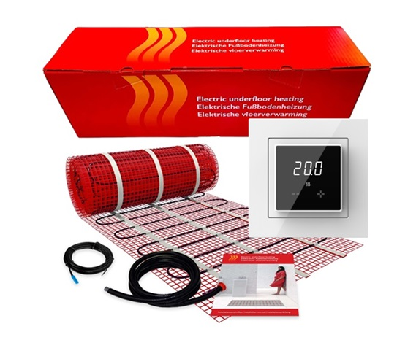
250204 |  | Kit incalzire in pardoseala sub gresie 1 m² - 150 W, cu termostat ET44 WIFI | € 74 | € 332.10
250304 |  | Kit incalzire in pardoseala sub gresie 1.5 m² -225 W, cu termostat ET44 WIFI | € 82 | € 366.75
250404 |  | Kit incalzire in pardoseala sub gresie 2 m² - 300 W, cu termostat ET44 WIFI | € 89 | € 401.40
250504 |  | Kit incalzire in pardoseala sub gresie 2.5 m² - 375 W, cu termostat ET44 WIFI | € 96 | € 431.10
250604 |  | Kit incalzire in pardoseala sub gresie 3 m² - 450 W, cu termostat ET44 WIFI | € 104 | € 465.75
250704 |  | Kit incalzire in pardoseala sub gresie 3.5 m² - 535 W, cu termostat ET44 WIFI | € 112 | € 505.35
250804 |  | Kit incalzire in pardoseala sub gresie 4 m² - 600 W, cu termostat ET44 WIFI | € 121 | € 544.95
250904 |  | Kit incalzire in pardoseala sub gresie 4.5 m² - 675 W, cu termostat ET44 WIFI | € 127 | € 569.70
251004 |  | Kit incalzire in pardoseala sub gresie 5 m² - 750 W, cu termostat ET44 WIFI | € 132 | € 594.45
251204 |  | Kit incalzire in pardoseala sub gresie 6 m² - 900 W, cu termostat ET44 WIFI | € 154 | € 693.45
251404 |  | Kit incalzire in pardoseala sub gresie 7 m² - 1050 W, cu termostat ET44 WIFI | € 166 | € 747.90
251604 |  | Kit incalzire in pardoseala sub gresie 8 m² - 1200 W, cu termostat ET44 WIFI | € 193 | € 866.70
251804 |  | Kit incalzire in pardoseala sub gresie 9 m² - 1350 W, cu termostat ET44 WIFI | € 214 | € 960.75
252004 |  | Kit incalzire in pardoseala sub gresie 10 m² - 1500 W, cu termostat ET44 WIFI | € 220 | € 990.45
252404 |  | Kit incalzire in pardoseala sub gresie 12 m² - 1800 W, cu termostat ET44 WIFI | € 249 | € 1,119.15
253004 |  | Kit incalzire in pardoseala sub gresie 15 m² - 2250 W, cu termostat ET44 WIFI | € 302 | € 1,356.75
254004 |  | Kit incalzire in pardoseala sub gresie 20 m² - 3000 W, cu termostat ET44 WIFI | € 402 | € 1,807.20

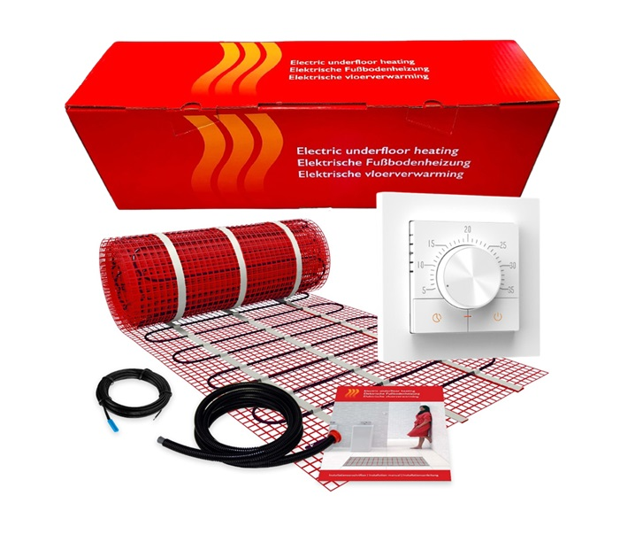
250205 |  | Kit incalzire in pardoseala sub gresie 1 m² - 150 W, cu termostat S-Control | € 55 | € 246.60
250305 |  | Kit incalzire in pardoseala sub gresie 1.5 m² -225 W, cu termostat S-Control | € 63 | € 281.25
250405 |  | Kit incalzire in pardoseala sub gresie 2 m² - 300 W, cu termostat S-Control | € 70 | € 315.90
250505 |  | Kit incalzire in pardoseala sub gresie 2.5 m² - 375 W, cu termostat S-Control | € 77 | € 345.60
250605 |  | Kit incalzire in pardoseala sub gresie 3 m² - 450 W, cu termostat S-Control | € 85 | € 380.25
250705 |  | Kit incalzire in pardoseala sub gresie 3.5 m² - 535 W, cu termostat S-Control | € 93 | € 419.85
250805 |  | Kit incalzire in pardoseala sub gresie 4 m² - 600 W, cu termostat S-Control | € 102 | € 459.45
250905 |  | Kit incalzire in pardoseala sub gresie 4.5 m² - 675 W, cu termostat S-Control | € 108 | € 484.20
251005 |  | Kit incalzire in pardoseala sub gresie 5 m² - 750 W, cu termostat S-Control | € 113 | € 508.95
251205 |  | Kit incalzire in pardoseala sub gresie 6 m² - 900 W, cu termostat S-Control | € 135 | € 607.95
251405 |  | Kit incalzire in pardoseala sub gresie 7 m² - 1050 W, cu termostat S-Control | € 147 | € 662.40
251605 |  | Kit incalzire in pardoseala sub gresie 8 m² - 1200 W, cu termostat S-Control | € 174 | € 781.20
251805 |  | Kit incalzire in pardoseala sub gresie 9 m² - 1350 W, cu termostat S-Control | € 195 | € 875.25
252005 |  | Kit incalzire in pardoseala sub gresie 10 m² - 1500 W, cu termostat S-Control | € 201 | € 904.95
252405 |  | Kit incalzire in pardoseala sub gresie 12 m² - 1800 W, cu termostat S-Control | € 230 | € 1,033.65
253005 |  | Kit incalzire in pardoseala sub gresie 15 m² - 2250 W, cu termostat S-Control | € 283 | € 1,271.25
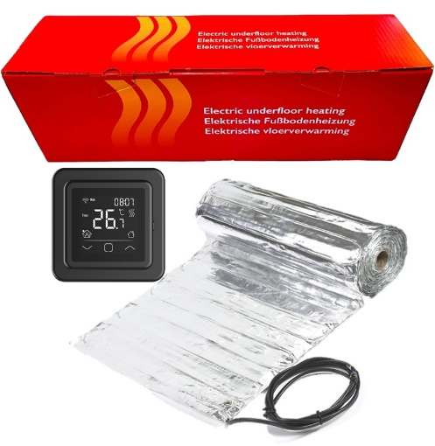
254005 |  | Kit incalzire in pardoseala sub gresie 20 m² - 3000 W, cu termostat S-Control | € 383 | € 1,721.70

340102 |  | Kit incalzire in pardoseala sub parchet 1 m² - 140 W, cu termostat C16 WIFI | € 113 | 508.95 lei | € 33 | € 34
340202 |  | Kit incalzire in pardoseala sub parchet 2 m² - 280 W, cu termostat C16 WIFI | € 136 | 612.90 lei | € 56 | € 57
340302 |  | Kit incalzire in pardoseala sub parchet 3 m² - 420 W, cu termostat C16 WIFI | € 159 | 716.85 lei | € 79 | € 80
340402 |  | Kit incalzire in pardoseala sub parchet 4 m² - 560 W, cu termostat C16 WIFI | € 184 | 825.75 lei | € 104 | € 105
340502 |  | Kit incalzire in pardoseala sub parchet 5 m² - 700 W, cu termostat C16 WIFI | € 203 | 914.85 lei | € 123 | € 124
340602 |  | Kit incalzire in pardoseala sub parchet 6 m² - 840 W, cu termostat C16 WIFI | € 231 | 1,038.60 lei | € 151 | € 152
340702 |  | Kit incalzire in pardoseala sub parchet 7 m² - 980 W, cu termostat C16 WIFI | € 251 | 1,127.70 lei | € 171 | € 172
340802 |  | Kit incalzire in pardoseala sub parchet 8 m² - 1120 W, cu termostat C16 WIFI | € 262 | 1,177.20 lei | € 182 | € 183
340902 |  | Kit incalzire in pardoseala sub parchet 9 m² - 1260 W, cu termostat C16 WIFI | € 287 | 1,291.05 lei | € 207 | € 208
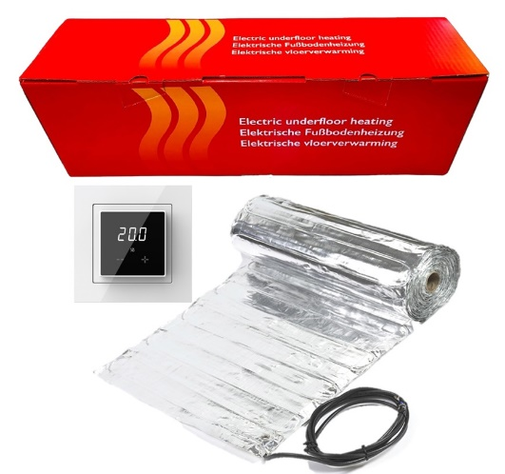
341002 |  | Kit incalzire in pardoseala sub parchet 10 m² - 1400 W, cu termostat C16 WIFI | € 311 | 1,399.95 lei | € 231 | € 232

340103 |  | Kit incalzire in pardoseala sub parchet 1 m² - 140 W, cu termostat C16 WIFI | € 76 | 342.45 lei
340203 |  | Kit incalzire in pardoseala sub parchet 2 m² - 280 W, cu termostat C16 WIFI | € 99 | 446.40 lei
340303 |  | Kit incalzire in pardoseala sub parchet 3 m² - 420 W, cu termostat C16 WIFI | € 122 | 550.35 lei
340403 |  | Kit incalzire in pardoseala sub parchet 4 m² - 560 W, cu termostat C16 WIFI | € 147 | 659.25 lei
340503 |  | Kit incalzire in pardoseala sub parchet 5 m² - 700 W, cu termostat C16 WIFI | € 166 | 748.35 lei
340603 |  | Kit incalzire in pardoseala sub parchet 6 m² - 840 W, cu termostat C16 WIFI | € 194 | 872.10 lei
340703 |  | Kit incalzire in pardoseala sub parchet 7 m² - 980 W, cu termostat C16 WIFI | € 214 | 961.20 lei
340803 |  | Kit incalzire in pardoseala sub parchet 8 m² - 1120 W, cu termostat C16 WIFI | € 225 | 1,010.70 lei
340903 |  | Kit incalzire in pardoseala sub parchet 9 m² - 1260 W, cu termostat C16 WIFI | € 250 | 1,124.55 lei
341003 |  | Kit incalzire in pardoseala sub parchet 10 m² - 1400 W, cu termostat C16 WIFI | € 274 | 1,233.45 lei

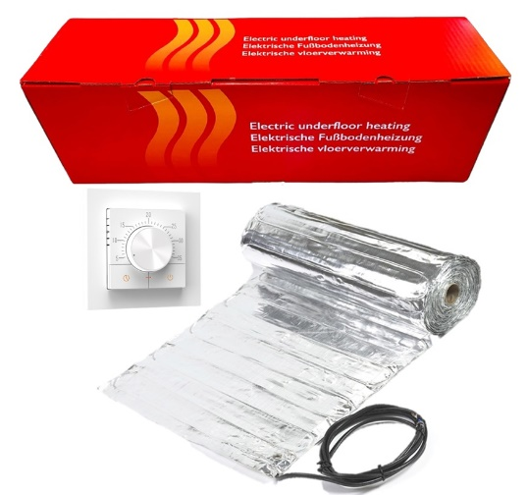
340104 |  | Kit incalzire in pardoseala sub parchet 1 m² - 140 W, cu termostat C16 WIFI | € 57 | 256.95 lei
340204 |  | Kit incalzire in pardoseala sub parchet 2 m² - 280 W, cu termostat C16 WIFI | € 80 | 360.90 lei
340304 |  | Kit incalzire in pardoseala sub parchet 3 m² - 420 W, cu termostat C16 WIFI | € 103 | 464.85 lei
340404 |  | Kit incalzire in pardoseala sub parchet 4 m² - 560 W, cu termostat C16 WIFI | € 128 | 573.75 lei
340504 |  | Kit incalzire in pardoseala sub parchet 5 m² - 700 W, cu termostat C16 WIFI | € 147 | 662.85 lei
340604 |  | Kit incalzire in pardoseala sub parchet 6 m² - 840 W, cu termostat C16 WIFI | € 175 | 786.60 lei
340704 |  | Kit incalzire in pardoseala sub parchet 7 m² - 980 W, cu termostat C16 WIFI | € 195 | 875.70 lei
340804 |  | Kit incalzire in pardoseala sub parchet 8 m² - 1120 W, cu termostat C16 WIFI | € 206 | 925.20 lei
340904 |  | Kit incalzire in pardoseala sub parchet 9 m² - 1260 W, cu termostat C16 WIFI | € 231 | 1,039.05 lei
341004 |  | Kit incalzire in pardoseala sub parchet 10 m² - 1400 W, cu termostat C16 WIFI | € 255 | 1,147.95 lei

